Sheet1
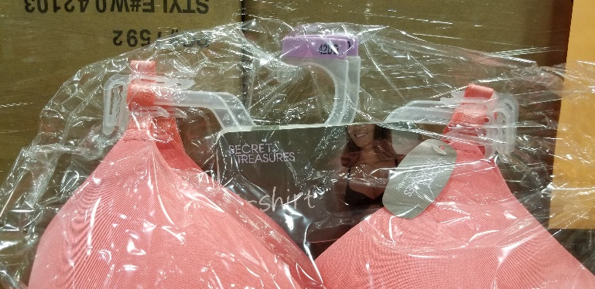
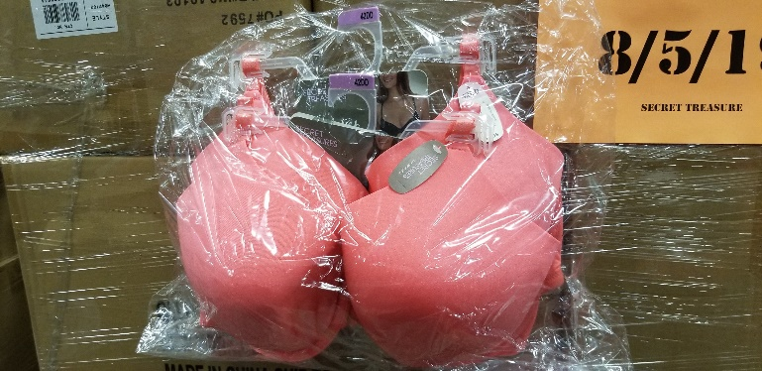
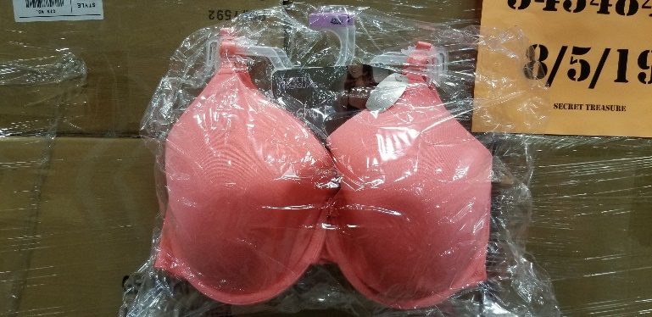


SECRET TREASURES BRAS
 | 28 Pallets 24,800 Units Retail Value:$123,504.00

 | Pallet | Item | Desc | Units | Retail | Ext Retail
 | 1 | 571731720 | ST OPP TSHIRT BRA 40DD | 720 | $4.98 | $3,585.60
 | 2 | 571731726 | ST OPP TSHIRT BRA 40DDD | 600 | $4.98 | $2,988.00
 | 3 | 571731701 | ST OPP TSHIRT BRA 38DDD | 720 | $4.98 | $3,585.60
 | 4 | 571731726 | ST OPP TSHIRT BRA 40DDD | 600 | $4.98 | $2,988.00
 | 5 | 571731720 | ST OPP TSHIRT BRA 40DD | 720 | $4.98 | $3,585.60
 | 6 | 571731701 | ST OPP TSHIRT BRA 38DDD | 720 | $4.98 | $3,585.60
 | 7 | 571731726 | ST OPP TSHIRT BRA 40DDD | 600 | $4.98 | $2,988.00
 | 8 | 571731720 | ST OPP TSHIRT BRA 40DD | 720 | $4.98 | $3,585.60
 | 9 | 571731701 | ST OPP TSHIRT BRA 38DDD | 720 | $4.98 | $3,585.60
 | 10 | 571731726 | ST OPP TSHIRT BRA 40DDD | 600 | $4.98 | $2,988.00
 | 11 | 571731745 | ST OPP TSHIRT BRA 42DD | 800 | $4.98 | $3,984.00
 | 12 | 571731623 | ST OPP TSHIRT BRA 36DD | 1320 | $4.98 | $6,573.60
 | 13 | 571731701 | ST OPP TSHIRT BRA 38DDD | 720 | $4.98 | $3,585.60
 | 14 | 571731623 | ST OPP TSHIRT BRA 36DD | 1320 | $4.98 | $6,573.60
 | 15 | 571731720 | ST OPP TSHIRT BRA 40DD | 720 | $4.98 | $3,585.60
 | 16 | 571731623 | ST OPP TSHIRT BRA 36DD | 1320 | $4.98 | $6,573.60
 | 17 | 571731623 | ST OPP TSHIRT BRA 36DD | 1320 | $4.98 | $6,573.60
 | 18 | 571731695 | ST OPP TSHIRT BRA 38DD | 1020 | $4.98 | $5,079.60
 | 19 | 571731745 | ST OPP TSHIRT BRA 42DD | 800 | $4.98 | $3,984.00
 | 20 | 571731617 | ST OPP TSHIRT BRA 36DDD | 1020 | $4.98 | $5,079.60
 | 21 | 571731695 | ST OPP TSHIRT BRA 38DD | 1020 | $4.98 | $5,079.60
 | 22 | 571731745 | ST OPP TSHIRT BRA 42DD | 800 | $4.98 | $3,984.00
 | 23 | 571731617 | ST OPP TSHIRT BRA 36DDD | 1020 | $4.98 | $5,079.60
 | 24 | 571731617 | ST OPP TSHIRT BRA 36DDD | 1020 | $4.98 | $5,079.60
 | 25 | 571731695 | ST OPP TSHIRT BRA 38DD | 1020 | $4.98 | $5,079.60
 | 26 | 571731617 | ST OPP TSHIRT BRA 36DDD | 1020 | $4.98 | $5,079.60
 | 27 | 571731695 | ST OPP TSHIRT BRA 38DD | 1020 | $4.98 | $5,079.60
 | 28 | 571731745 | ST OPP TSHIRT BRA 42DD | 800 | $4.98 | $3,984.00
 |  |  |  | 24800 |  | $123,504.00

